About the PWM Report
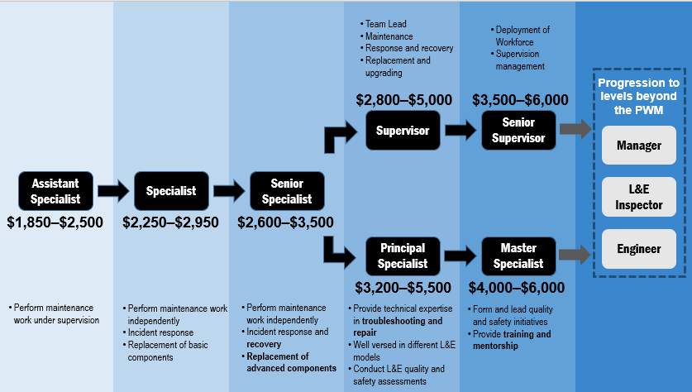
About the PWM Report

1. | This report serves to provide key information relating to the Progressive Wage Model (PWM) for the Lift & Escalator (L&E) sector, being adopted by a lift and/or escalator company for their Singaporean/Singapore Permanent Resident lift/escalator maintenance personnel.

2. | The PWM provides clearly defined career progression pathways (supervisory and specialist) with corresponding key competencies at each level for maintenance personnel to pursue. The PWM also recommends basic monthly wages that commensurate with competencies at each level.

3. | Refer to Diagram 1 for illustration on job roles and recommended wages at each level of the career progression pathways. This is applicable for both lift and escalator workers.

 | Diagram 1: Job roles and recommended wages at each level of the career progression pathways under the PWM

