3. NRB Checklist
Base Sustainability Requirements for New Buildings (Non-Residential) |  |  | Applicable (Yes/No) | Design Value | Achieve Base Sustainability Requirements (Yes/No)
Main Section – Compulsory to meet all requirements in this section
NRB01 Envelope and Roof Thermal Transfer
NRB01-1 |  | 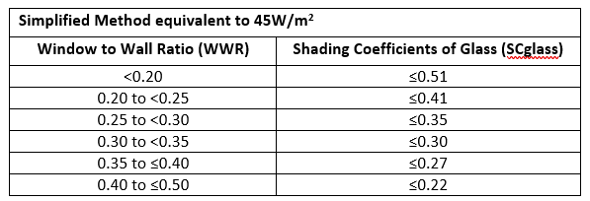 Building Envelope - Refer to EE Simplified International Or ETTV for 45 W/2
NRB01-2 |  | Roof RTTV ≤ 50 W/m2
(a) Roof with skylights ≤ 50 W/m2 (Calculation method)
(b) Roof without skylights
NRB02 Air-Tightness and Leakage
NRB02-1 |  | Windows and Curtain Walls
(a) Minimise air leakage through building envelope of windows and curtain walls comply to the requirements by local authority. |  |  |  | N.A
(a) Test on air leakage rates based on SS 212 for windows
(b) Test on air leakage rates based on SS 654 for curtain walls
NRB02-2 |  | Openings between conditioned and non-conditioned spaces
(a) Doors equipped with automated technology or self-closing devices with the independent control valve and energy meters |  |  |  | N.A
(b) Equipped with enclosed vestibules or air lock rooms for doorway with high pedestrian traffic flow. In the case of vestibules, the interior and exterior door must have a minimum distance of not less than 2.5 m apart and should be interlocked to avoid being opened at the same time. |  |  |  | N.A
NRB03 Building Energy Performance
NRB03-2 | Energy Performance Standards for Key Building Systems
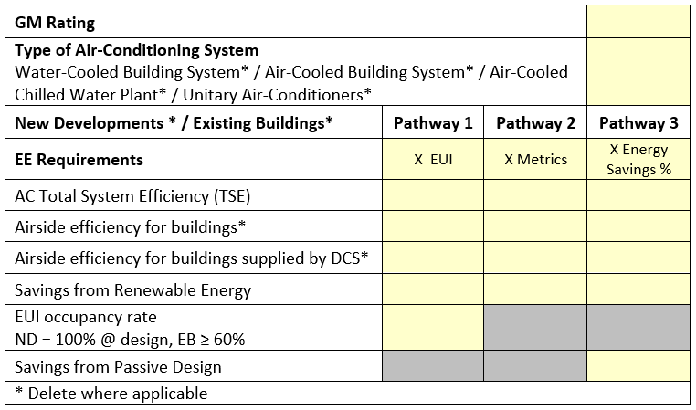 (a) Air-Conditioning System - Refer to GM International EE Simplified |  |  | EE Simplified
(b) Lighting System: Refer to GM International EE Simplified - TABLE 2A Lighting Power Budget (International) Note: Lighting provision for building façade and landscape should comply with the prescribed lighting power budget stated in SS 530, where relevant. |  |  | EE Simplified
(c) Mechanical Ventilation System
(i) Mechanical ventilation system for normally occupied spaces (i) Provision of mechanical ventilation system of at least 10% more energy efficient than the prescribed standard stated in SS 553 for normally occupied spaces that utilise mechanical ventilation as the preferred ventilation mode.
(ii) Provision of CO sensors in Carpark Areas Provision of Carbon Monoxide (CO) detection sensor control with Variable Speed Drive (VSD) to regulate demand for mechanical ventilation in carpark areas.
(d) Vertical Transportation System Reduce energy consumption by providing energy efficient vertical transportation systems that are equipped with variable voltage variable frequency (VVVF) drives and sleep mode features and/or standby speed/stop features, where relevant.
NRB04 Measurement and Verification (M & V) Instrumentation
NRB04-1 Instrumentation for Chilled Water Air-Conditioning System Refer to EE & BSE Technical Guide for requirements Provision of permanent measuring instruments to monitor the energy performance of the water-cooled and air-cooled central chilled water plants and air distribution systems
NRB04-2 Instrumentation for Variable Refrigerant Flow (VRF) System Refer to EE & BSE Technical Guide for requirements Instrumentation for VRF systems and air distribution systems that serve an aggregate conditioned floor area of 2000 m2 or more.Provision of permanent measuring instruments to monitor the energy performance of the Variable Refrigerant Flow (VRF) condensing units and air distribution systems.
NRB05 Electrical Sub-Metering
· Lifts and escalators
· Mechanical ventilation system
· Centralised hot water supply system
· General power supply and lighting systems for tenancy areas and owners’ premises
NRB06 Maintenance of Building Cooling System Performance Service clearances are to be provided as per manufacturers’ specification or prescribed standards stated in the following clauses, whichever governs.
NRB06-1 | Chillers - Access space provisions are as follows:
(a) Clear space of 2 m or more at the front of chiller unit piping section
(b) Clearance of 1.2 m or more between the chillers measured from plinth to plinth
(c) Overhead service clearance of 1.5 m or more above the chiller
NRB06-2 | Pump Systems - Access space provisions are as follows:
(a) Except for the areas where the pipes are connected, a clearance of 0.6 m or more is to be provided round the pump
(b) Clear head room space of 1 m or more above the pump and motor
NRB06-3 | Cooling Towers - Maintenance provisions are as follows:
(a) Provision of maintenance platform, stairs and catwalks of 600 mm width or more with handrails around the cooling towers and access to the level
(b) Clear space of 2 m or more from the top of cooling towers to location of the trellis, where applicable.
NRB06-4 | Air-Distribution Systems
(a) Air handling units (AHU) of cooling capacity greater than 35 kW shall be floor mounted as stipulated in SS 553.
(b) For AHUs that are floor mounted, the access space provisions shall be as follows:
 | (i) | AHU access – Provide minimum 1m clear space from the AHU room door entrance to the AHU
 | (ii) | Cooling coil pipe and filter access – Provide minimum 800 mm clear space after pipe connection to facilitate cooling coil cleaning and filter access;
 | (iii) | Fan access – Provide minimum 800 mm clear space for fan/motor access and maintenance (if the access is not from cooling coil connection side).
(i) AHU side and back clearance – Provide minimum 600 mm clear space | (iV) | AHU side and back clearance – Provide minimum 600 mm clear width for general access and maintenance.
(I) Carbon Reduction Measures: [Select four (4) carbon reduction measures from 3 Parts including a minimum of 2 measures from Part 2- Sustainable Construction]
Base Sustainability Requirements for New Buildings (Non-Residential) |  |  | Applicable (Yes/No) | Design Value | Achieve Base Sustainability Requirements (Yes/No)
Part 1 : Sustainable Design Strategies
NRBE01-1 | Enhanced Building Envelope Performance
(a) Façade design with ETTV of not more than 40 W/m2 or or enhanced with provision of good thermal break/Insulating profile framing
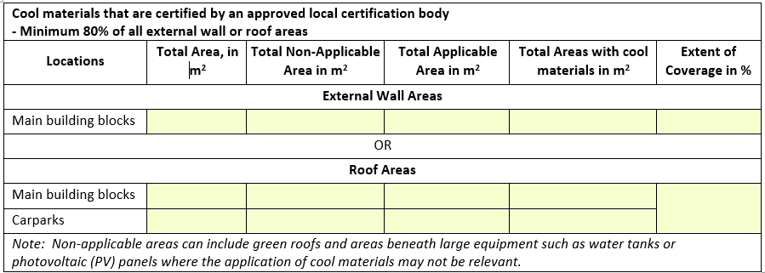 (b) Cool materials that are certified – Minimum coverage of 80% of external walls or roof areas. Extent of Coverage: Total Areas with cool materials/ Total Applicable Areas
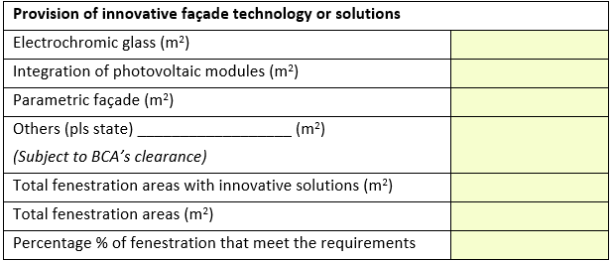 (c) Innovative façade technology and solutions for 20% of fenestration areas, such as the use of electrochromic glass, integration of photovoltaic modules, parametric façade.
NRBE01-2 | Naturally Ventilated Building Design
(a) Building layout design – Minimum 20% of all units with window openings facing prevailing wind directions
(b) Natural ventilated design for common areas - Minimum coverage of 80% in at least two (2) common areas: · Lift Lobbies · Corridors · Staircases · Carpark · Atrium · Toilets
NRBE01-3 | Effective Daylighting
(a) For normally occupied spaces - Minimum 15% of total occupied areas
(b) For common areas – Minimum coverage of 80% (by number) in at least two (2) common areas: · Lift Lobbies · Corridors · Staircases · Carpark · Atrium · Toilets
(c) Provision of daylight redirecting technologies: · Light Shelves · Tubular daylight · Others (please specify, to be evaluated on a case to case basis)
Part 2 : Sustainable Construction (minimum of 2 measures from Part 2)
NRBE02-1 | Resource Efficiency Measures
(a) Existing building structures areas are conserved for adaptive reuse – More than 50% of the floors and/or wall areas
(b) Concrete Usage Index of no more than 0.50
(c) Embodied carbon reporting for upfront carbon emission of concrete, steel and glass
NRBE02-2 | Low carbon concrete
(a) Eco-friendly cement for 80% of superstructural works or Use of concrete up to grade C50/60) with eco-friendly cementitious materials that are classified under CEM II to V types for at least 80% of the super-structural works by volume
(b) Aggregate replacement that meet minimum usage requirement
(c) Processed waste for non-structural application- Alternative construction materials that can be used as a replacement for standard building materials for non-structural application Please state the alternative construction materials used: _____ Area of Application such as Footpath, Road construction, Concrete bench for parks, Pavement and Others please specify): ____
NRBE02-3 | Sustainable Products
Provision of at least three (3) environmentally friendly products that are certified for 80% of applicable areas or building components. Applicable to environmentally friendly products that are certified with Environmental Product Declaration (EPD) requirements or two-ticks rating by an approved local certification body.
Part 3 : Sustainable Technologies
NRBE03-1 | Renewable Energy System
Minimum 1% reduction in electricity consumption for the building developments
NRBE03-2 | Smart Building Solutions (Minimum two (2) solutions to comply to this measure)
 | (a) | Use of BACnet, Modbus or any other open protocol
 | (b) | Energy management system, applications and dashboard
 | (c ) | Demand controlled ventilation system
 | (d) | Timer sensors/controls
 | (e ) | Differential pressure monitoring equipment in Air Handling Units (AHUs)
 | (f) | Others pls state _________ (subject to BCA’s clearance)
NRBE03-3 | Green Building Technologies
· Energy recovery system
· Lifts with regenerative function
· Passive displacement ventilation system
· Hybrid cooling system
· Smart sensor and control technologies
· Dedicated outdoor air system
· Others, pls state _________ (subject to BCA’s clearance)

4. RB Checklist
Base Sustainability Requirements for New Buildings (Residential) |  |  | Applicable (Yes/No) | Design Value | Achieve Base Sustainability Requirements (Yes/No)
Main Section – Compulsory to meet all requirements in this section
RB01 Envelope and Roof Thermal Transfer
RB01-1 |  | 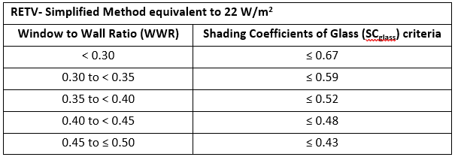 Building Envelope - Refer to EE Simplified International Or RETV for 22 W/m2 | EE Simplified, table is applicable to simplifed method for 22 W/sqm
RB01-2 |  | Roof | BSE only
RB02 Building Energy Performance
RB02-1 |  | Air-Conditioning System
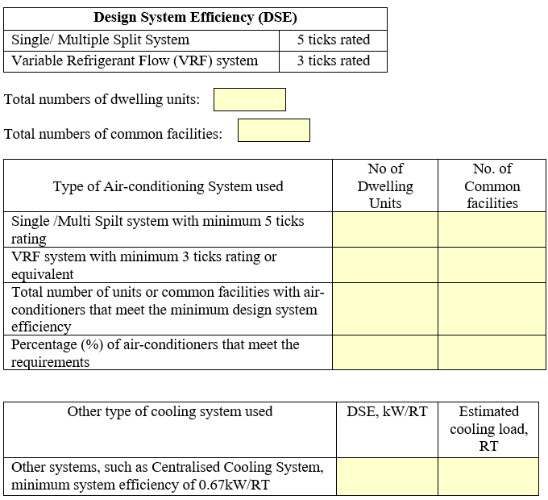 Provision of air-conditioning system that meet the following design system efficiency
RB02-2 |  | Lighting System for Common Facilities and Areas
(b) Lighting System: Refer to GM International EE Simplified - TABLE 2A Lighting Power Budget (International) comply with the prescribed lighting power budget stated in SS 530, where relevant.
RB02-3 |  | Mechanical Ventilation System for Carpark Areas
Provision of Carbon Monoxide (CO) detection sensor control with Variable Speed Drive (VSD) to regulate demand for mechanical ventilation in carpark areas.
RB02-4 |  | Vertical Transportation System
Reduce energy consumption by providing energy efficient vertical transportation systems that are equipped with variable voltage variable frequency (VVVF) drives and sleep mode features and/or standby speed/stop features, where relevant.
(II) Carbon Reduction Measures [Select four (4) carbon reduction measures from 3 Parts including a minimum of 2 measures from Part 2- Sustainable Construction]
Base Sustainability Requirements for New Buildings (Residential) |  |  | Applicable (Yes/No) | Design Value | Achieve Base Sustainability Requirements (Yes/No)
Part 1 : Sustainable Design Strategies
RBE01-1 | Tropical Building Envelope Performance
(a) The building envelope is designed with Residential Envelope Transmittance Value (RETV) of no more than 20 W/m2 based on the methodology stated in the Code on Envelope Thermal Performance for Buildings
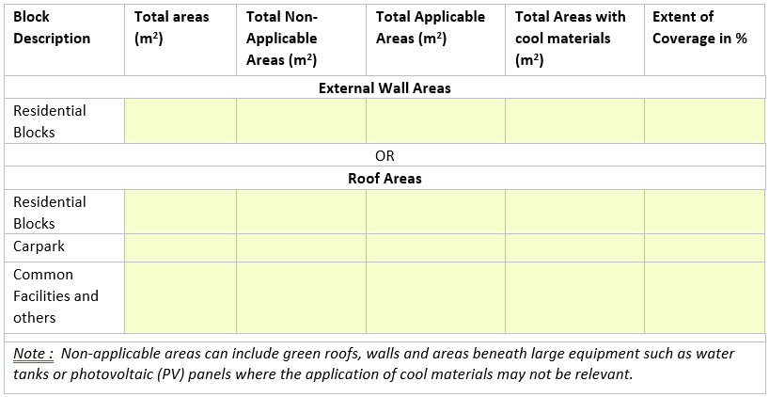 (b) Cool materials that are certified – Minimum coverage of 80% of eof residential block or roof areas. Extent of Coverage: Total Areas with cool materials/ Total Applicable Areas
(c) Innovative façade technology and solutions for 20% of fenestration areas, such as the use of electrochromic glass, integration of photovoltaic modules, parametric façade.
RBE01-2 | Naturally Ventilated Building Design
(a)Building Layout design- Air flow design in the development
(b) Dwelling Unit design- Air flow design in the development
(c) For common areas – Minimum two (2) common areas designed with at least 80% natural ventilation : · Lift Lobbies and Corridors · Staircases, Carpark · Common facilities · Toilet rooms /bathrooms of dwelling units
RBE01-3 | Effective Daylighting
a) Habitable Spaces: Dwelling unit design Daylighting provision for 25% of the total number of residential units that meets the desired lighting level of DA200lx, 50% in 60% of applicable areas (namely bedrooms, living room, family room and study room) based on daylight availability matrix provided
(b) Non- Habitable Spaces: Common Areas- Minimum two (2) common areas with at least 80% with provision of daylighting to comply to this measures: · Lift Lobbies and Corridors · Staircases, Carpark · Common facilities · Toilet rooms /bathrooms of dwelling units
RBE02-1 | Resource Efficiency Measures
(a) Existing structures with more than __________of floor and / or wall areas are conserved and/or adapted for reuse
(b) Concrete Usage Index of no more than 0.50
(c) Embodied carbon reporting for upfront carbon emission of concrete, steel and glass
RBE02-2 | Low carbon concrete
(a) Eco-friendly cement for 80% of superstructural works or or SGBC– certified concrete for 80% of the super-structural works
(b) Aggregate replacement that meet minimum usage requirement
(c) Processed waste for non-structural application- Alternative construction materials that can be used as a replacement for standard building materials for non-structural application Please state the alternative construction materials used: _____ Area of Application such as Footpath, Road construction, Concrete bench for parks, Pavement and Others please specify): ____
RBE02-3 | Sustainable Products
Provision of at least three (3) environmentally friendly products that are certified for 80% of applicable areas or building components in relation to dwelling units. Applicable to environmentally friendly products that are certified with Environmental Product Declaration (EPD) requirements or two-ticks rating by an approved local certification body. (minimum 3 product categories for 80% of applicable areas or building components in relation to dwelling units)
Part 3 : Sustainable Technologies
NRBE03-1 | Renewable Energy System
Encourage the use of on-site renewable energy systems renewable energy system with minimum capacity installation of 15% roof coverage of residential building blocks within the development. A suitable monitoring and recording of energy generated from the system used to be incorporated.
RBE03-2 | Smart Technology Solution Provision of smart solutions and technologies which help facilitate resource usage monitoring and reduce overall energy consumption.
 | (a) | Energy dashboard, web-based or mobile application or equivalent to provide useful and timely information on utility consumption and breakdown for homeowners and/or facility manager
 | (b) | Energy recovery system
 | (c ) | Lifts with regenerative function
 | (d) | Occupancy sensors/controls for lighting in private lift lobbies, staircases or common facilities
 | (e ) | Others (to be evaluated on a case-to-case basis)

ADDITIONAL INFORMATION
(I) Summary of Sustainable Products used in RB02-3
 | No | Description of environmentally friendly products | Certification Type (EPD/SGBC 2 Ticks) | Applicable areas or building Components | Extent of Coverage (%)
 | 1
 | 2
 | 3

