Cover


UNIVERSAL DESIGN MARK FOR FAMILY-FRIENDLY BUSINESS

ASSESSMENT CRITERIA FOR RETAIL AND F&B ESTABLISHEMENTS

VERSION 1.0 (2018)

 | Award: |  | N.A.
Instructions: Please fill in required information in the cover page as well as the Design Approach Statement. For Part 1 to Part 6, please fill in the appropriate score obtained for each category in the yellow section.

 | NAME OF OUTLET / DEVELOPMENT | :

 | ADDRESS | :

 | OWNER / MANAGEMENT | :

 | ARCHITECT / DESIGNER | :

 | ASSESSMENT DATE | :

 | ASSESSORS | :

Information
BCA- MSF UNIVERSAL DESIGN (UD) MARK FOR FAMILY-FRIENDLY BUSINESS CERTIFICATION SCHEME
The certification ratings range from basic requirements through to best practice in UD and family-friendly approach. The certification rating of a development is determined by the number of points scored during the assessment process.

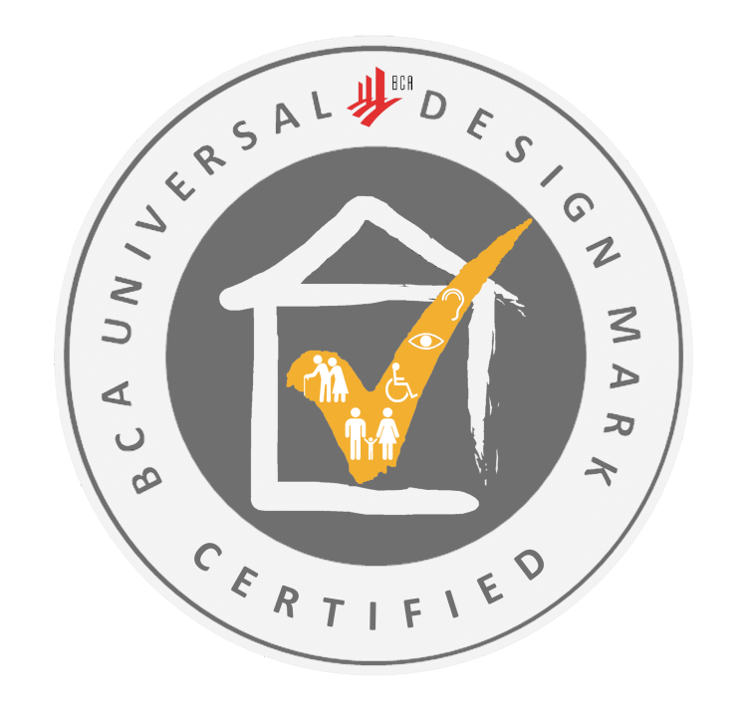
CERTIFIED
Applied basic UD principles in design and business approach, incorporating essential UD features that are over and above Accessibility Code compliance
Defined family-friendly approach that caters to some user profiles
Score 50 to 64 points



GOLD
Demonstrated user-centric design and business approach, incorporating comprehensive set of UD features and services that optimises access and caters to various user groups
Deployed family-friendly approach to some areas of the business, including customer service, to cater to most user profiles
Score 65 to 79 points

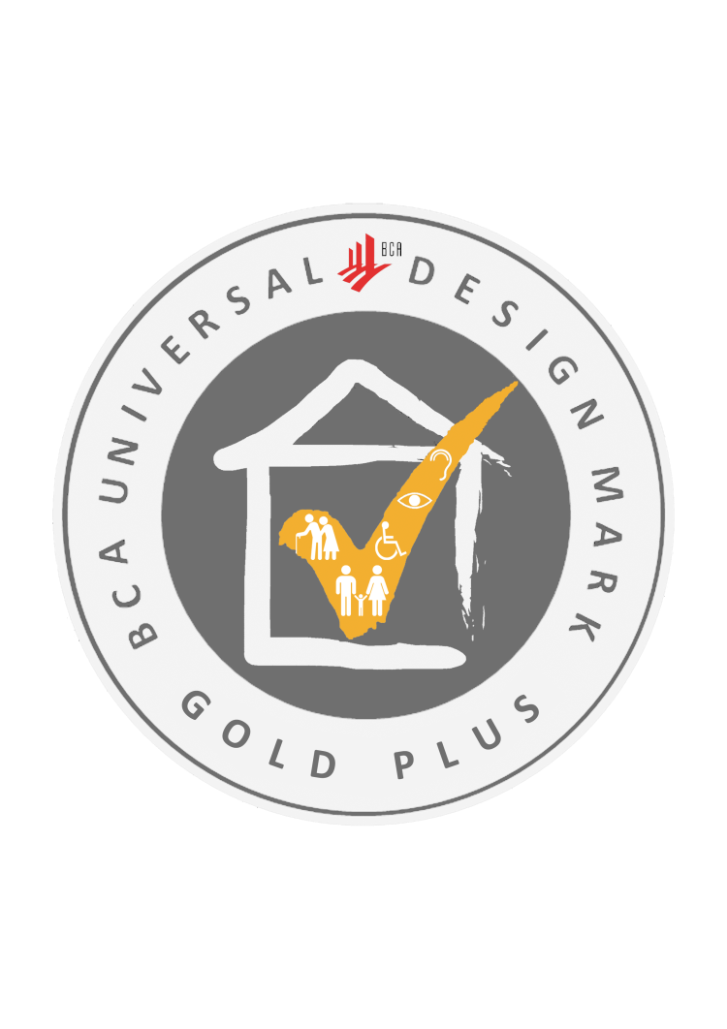

GOLD^{PLUS}
Displayed holistic approach in implementing UD principles, including well-conceived design features that are practical, aesthetic and appropriate for the business
Deployed family-friendly approach to most areas of the business, including customer service, to cater to most user profiles
Score 80 points and above

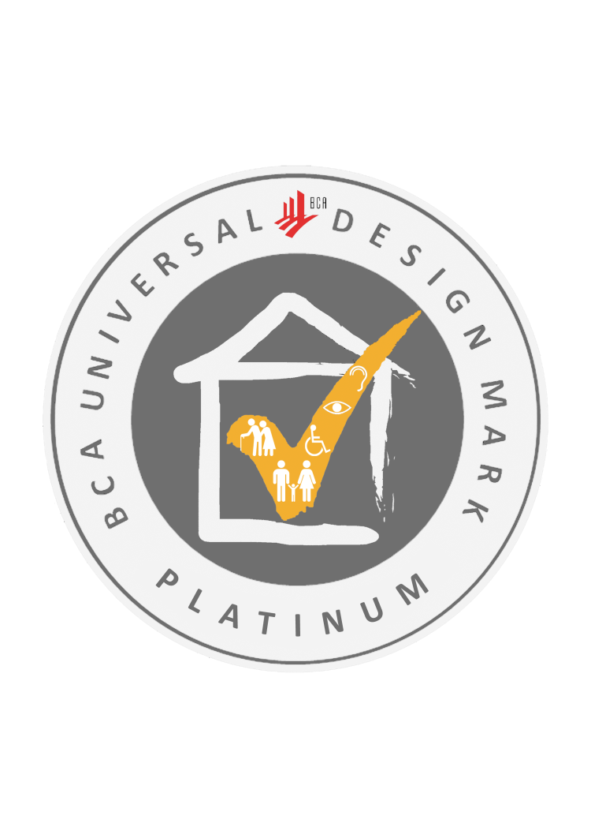

PLATINUM
Integrated design process with strong focus on UD and design innovation from conception to completion involving key stakeholders collaboration to create a high quality and usable environment for all users
Integrated family-friendly approach in all areas of the business, including customer service, to cater to all user profiles
Excel in all parts of the criteria checklist and score 85 points and above; subject to final panel assessment

Overview
To achieve UD Mark for Family-Friendly Business

Pre-requisite
(1) All relevant accessibility requirements in the prevailing Accessibility Code are to be complied with (where applicable); and
(2) At least 60% of staff must have attended at least one of the following WSQ Service Excellence courses: (a) Demonstrate the Service Vision (MSF), (b) Lead with Service Vision (MSF)

Section A Requirements min. 20 pts (of max 50 pts) from combination of the following
Part 1: Accessibility (15 pts)
· Access & circulation
· Safety in movement & use
Part 2: User-friendliness (35 pts)
· Way-finding & Information
· Family-friendly provisions
· Value-added facilities & services
Section B Requirements
min. 20 pts (of max 50 pts) from combination of the following
Part 3: Strategy (14 pts)
· Organisation policy
· Product & service mix
· Marketing & promotions
Part 4: Service (28 pts)
· Service standards
· Staff training
· Communications
· Public awareness
Part 5: Operations & Maintenance (8 pts)
· Operation & maintenance of facilities
· Emergency facilities & procedures

Section C Deployment of Business Concept and Design Integration min. 10 pts (of max 30 pts) from combination of the following
Part 6
· Concepts that create conducive environments and user experience
· Innovative business strategies / features
· User experience
· Business & aesthetic integration

